Hit Type
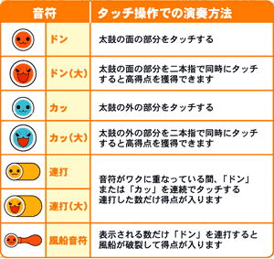
hit_type | description
0 | pause
1 | dong_small
2 | ka_small
3 | dong_big
4 | ka_big
5 | stream_small
6 | stream_big
7 | stream_ship

